Sheet1
PT. SUMI RUBBER INDONESIA
WP | PROSEDUR PENGGUNAAN FA SYSTEM FILLER FITTING |  |  |  | WE-839/00

TUJUAN | : SEBAGAI GUIDANCE PRODUKSI DALAM PENGGUNAAN FA SYSTEM FILLER FITTING
RUANG LINGKUP | : FILLER FITTING
PIC | : OPERATOR, LEADER, FOREMAN DAN SUPERVISOR (PRODUKSI)
 | STAFF DAN CHIEF STAFF (WT)

Guidance Filler Fit
1. Klik 2x shortcut Filler Fitting pada dekstop

2. Input NIK tekan enter (Operator Name akan muncul secara otomatis ) pilih Group kemudian klik OK [F1]

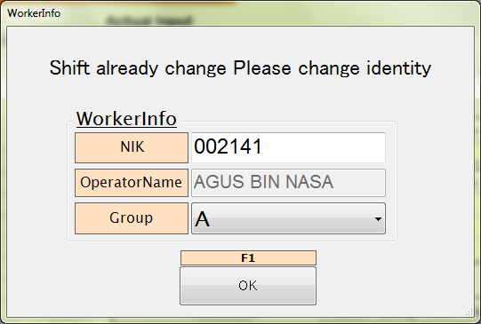

3. Tampilan utama program Filler Fitting. Klik Input New Order [F1]

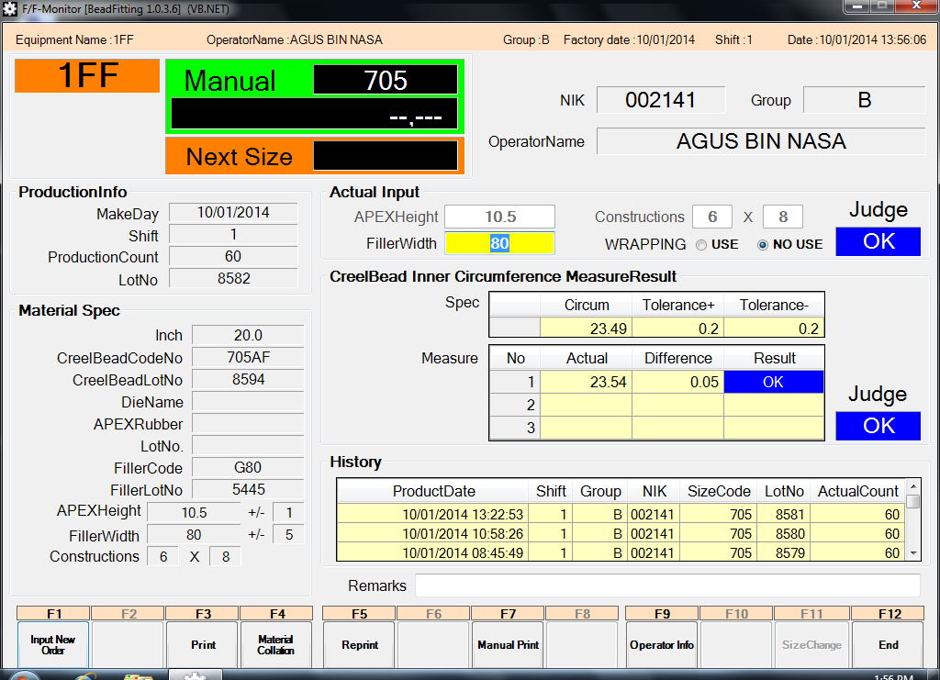

5HF

Issued date | Approved by |  | Checked by | Prepared by | Page
 |  |  |  |  | 1/8

 | Sutrisno | Juhdi M. | Chandra W. | Khoerul Anwar R.

PT. SUMI RUBBER INDONESIA
WP | PROSEDUR PENGGUNAAN FA SYSTEM FILLER FITTING |  |  |  | WE-839/00

4. Klik YES (Y) untuk input code size yang akan diproduksi. Atau klik NO(N) jika mau kembali ke menu utama
program Filler Fitting

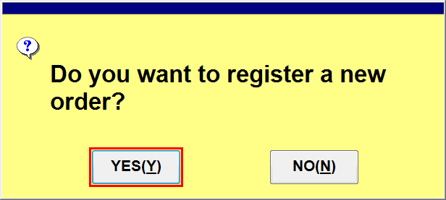

5. Klik Spec List [F1]
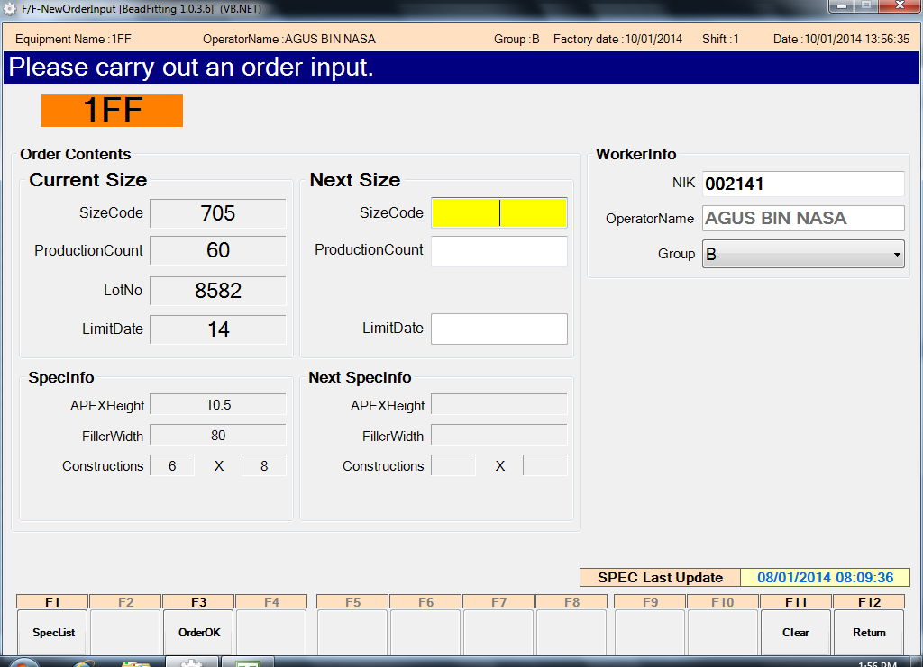

6. Pilih atau klik size code yang akan diproduksi, kemudian klik OK

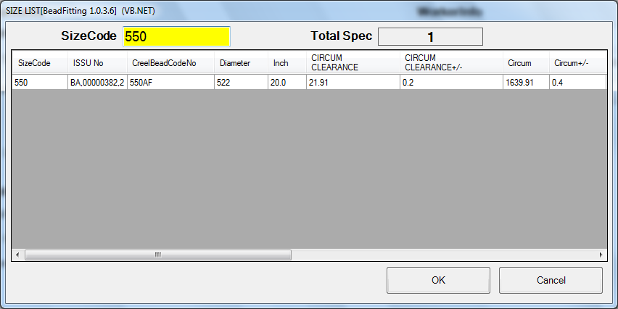

Issued date | Approved by |  | Checked by | Prepared by | Page
 |  |  |  |  | 2/8

 | Sutrisno | Juhdi M. | Chandra W. | Khoerul Anwar R.

PT. SUMI RUBBER INDONESIA
WP | PROSEDUR PENGGUNAAN FA SYSTEM FILLER FITTING |  |  |  | WE-839/00

7. Input jumlah produksi, kemudian klik [F3] Order OK

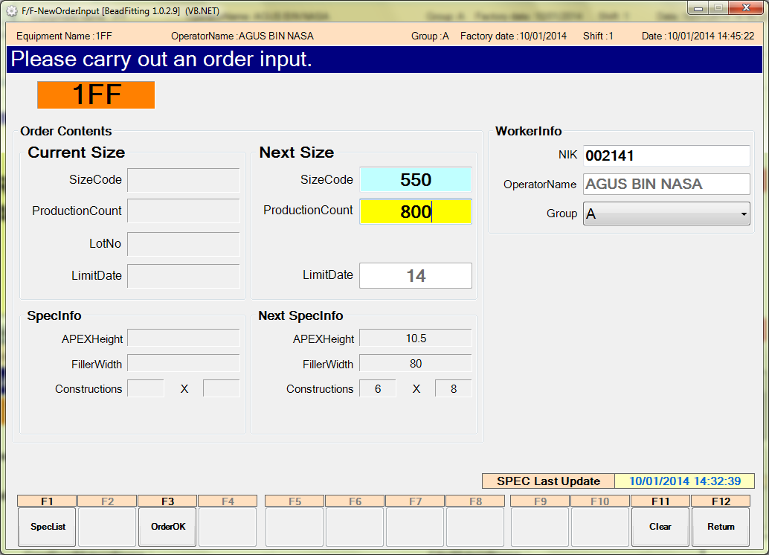

8. Klik YES (Y) untuk menuju ke menu collation, atau klik NO(N) untuk membatalkan dan
kembali ke tampilan sebelumnya

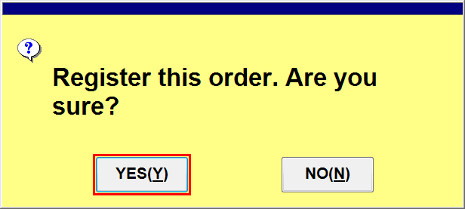

9. Tampilan menu collation
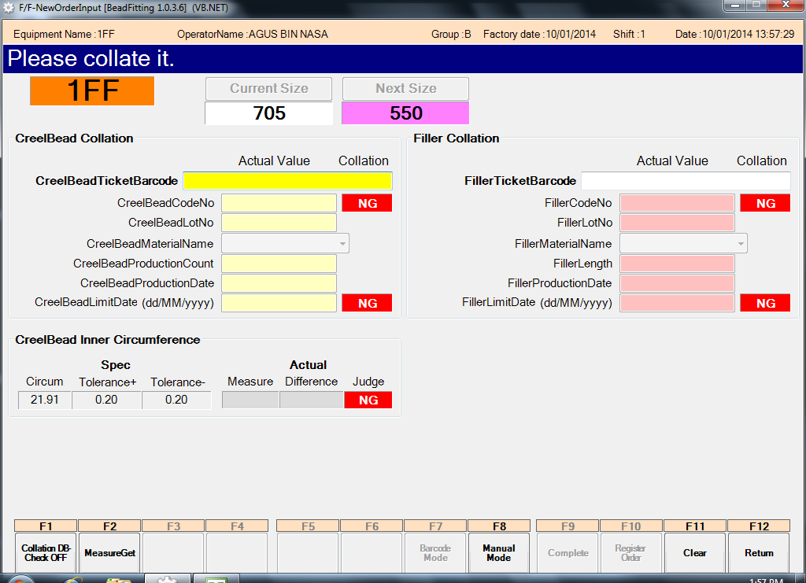

Issued date | Approved by |  | Checked by | Prepared by | Page
 |  |  |  |  | 3/8

 | Sutrisno | Juhdi M. | Chandra W. | Khoerul Anwar R.

PT. SUMI RUBBER INDONESIA
WP | PROSEDUR PENGGUNAAN FA SYSTEM FILLER FITTING |  |  |  | WE-839/00

10. Scan tiket creel bead

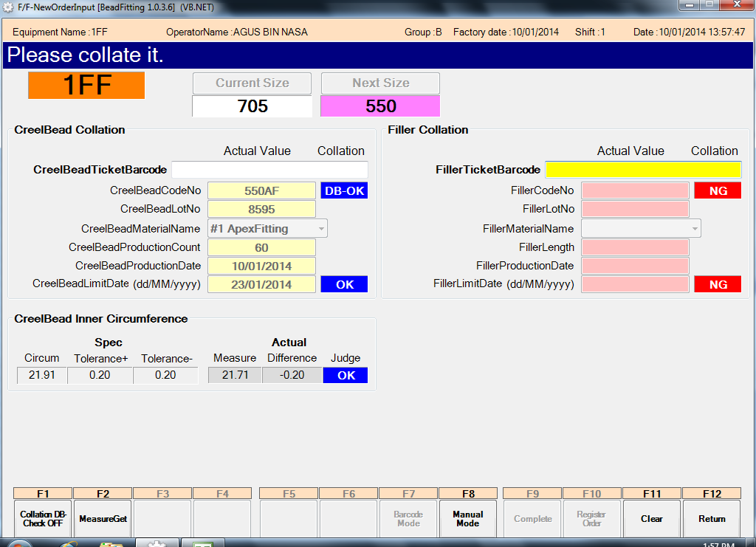

11. Scan ticket filler

Issued date | Approved by |  | Checked by | Prepared by | Page
 |  |  |  |  | 4/8

 | Sutrisno | Juhdi M. | Chandra W. | Khoerul Anwar R.

PT. SUMI RUBBER INDONESIA
WP | PROSEDUR PENGGUNAAN FA SYSTEM FILLER FITTING |  |  |  | WE-839/00

12. Setelah semua material di scan kemudian kilik [F10] Register Order
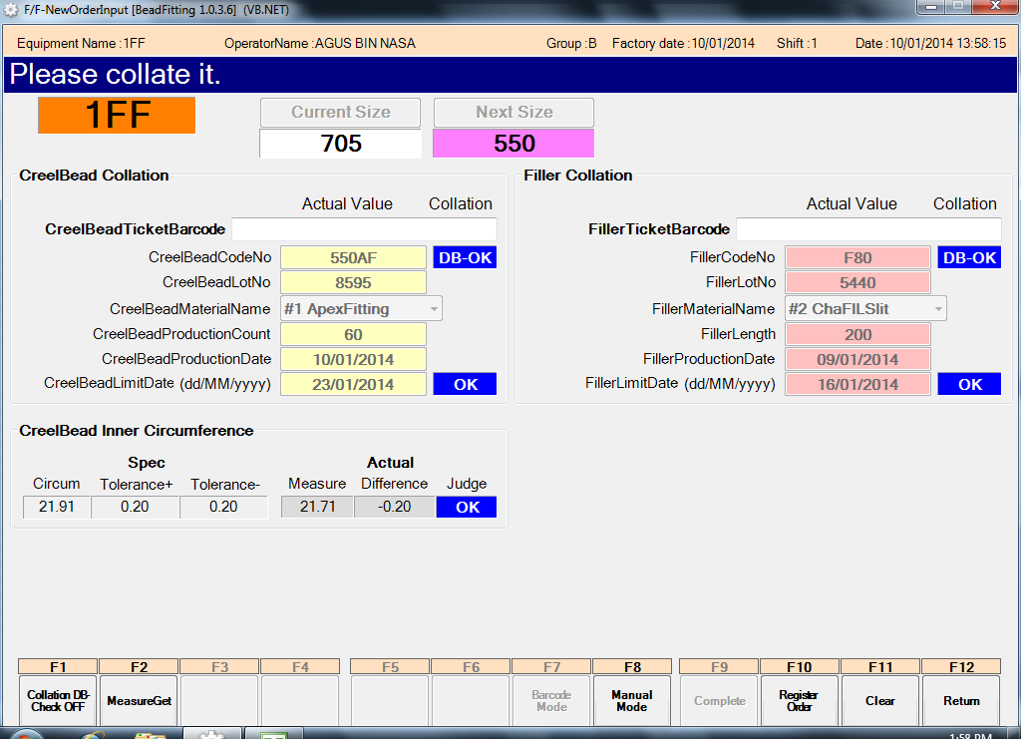

13.Klik YES (Y)

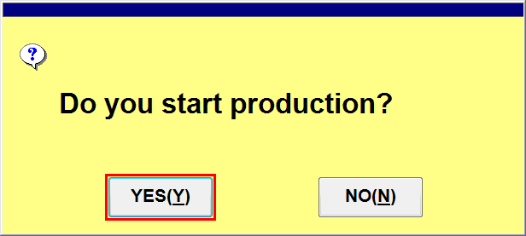

Issued date | Approved by |  | Checked by | Prepared by | Page
 |  |  |  |  | 5/8

 | Sutrisno | Juhdi M. | Chandra W. | Khoerul Anwar R.

PT. SUMI RUBBER INDONESIA
WP | PROSEDUR PENGGUNAAN FA SYSTEM FILLER FITTING |  |  |  | WE-839/00

14. Input filler width kemudian klik [F11] Size Change

15. Klik YES (Y) dan mulai produksi. Jika klik NO (N) maka tidak bisa memulai proses produksi

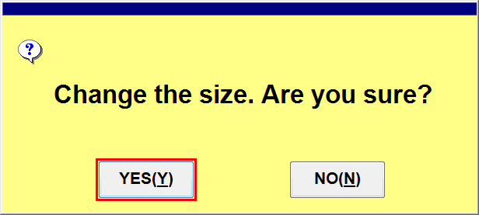

Issued date | Approved by |  | Checked by | Prepared by | Page
 |  |  |  |  | 6/8

 | Sutrisno | Juhdi M. | Chandra W. | Khoerul Anwar R.

PT. SUMI RUBBER INDONESIA
WP | PROSEDUR PENGGUNAAN FA SYSTEM FILLER FITTING |  |  |  | WE-839/00

16. Mulai produksi, setelah produksi jalan 60 pcs atau 1 lot, klik [F3] Print
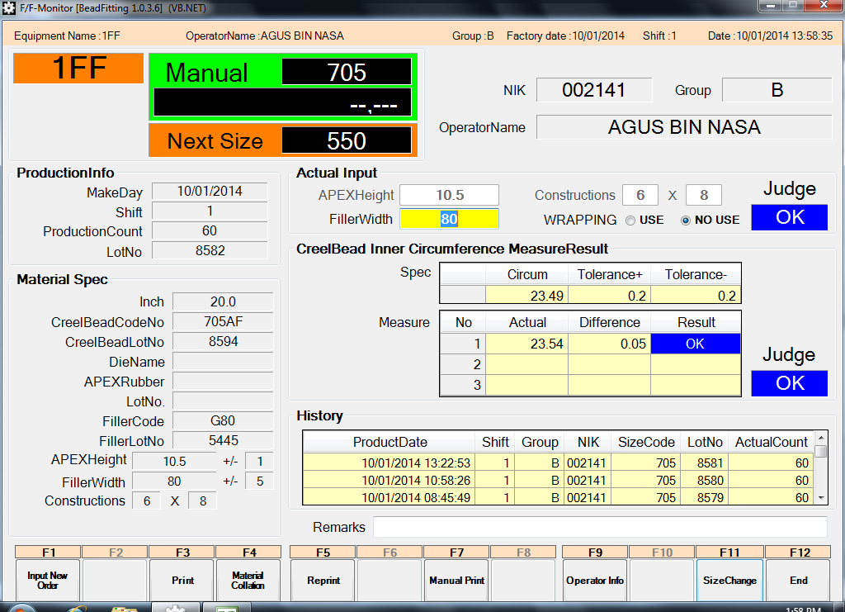

17. Input jumlah creel nya, kemudian klik [F1]Print
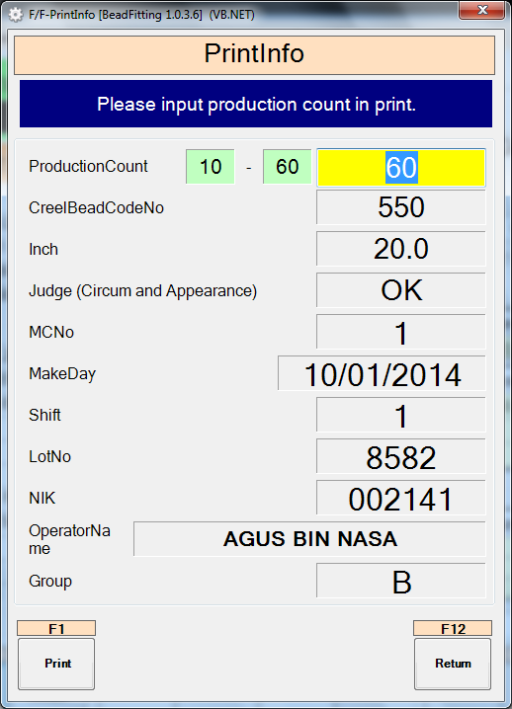

Issued date | Approved by |  | Checked by | Prepared by | Page
 |  |  |  |  | 7/8

 | Sutrisno | Juhdi M. | Chandra W. | Khoerul Anwar R.

PT. SUMI RUBBER INDONESIA
WP | PROSEDUR PENGGUNAAN FA SYSTEM FILLER FITTING |  |  |  | WE-839/00

18. Klik YES (Y)

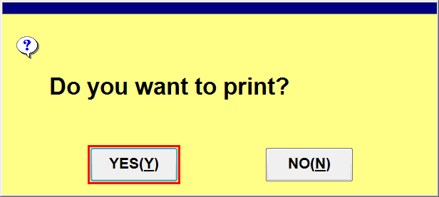

19. Hasil print out Filler Fitting

Issued date | Approved by |  | Checked by | Prepared by | Page
 |  |  |  |  | 8/8

 | Sutrisno | Juhdi M. | Chandra W. | Khoerul Anwar R.

